Task
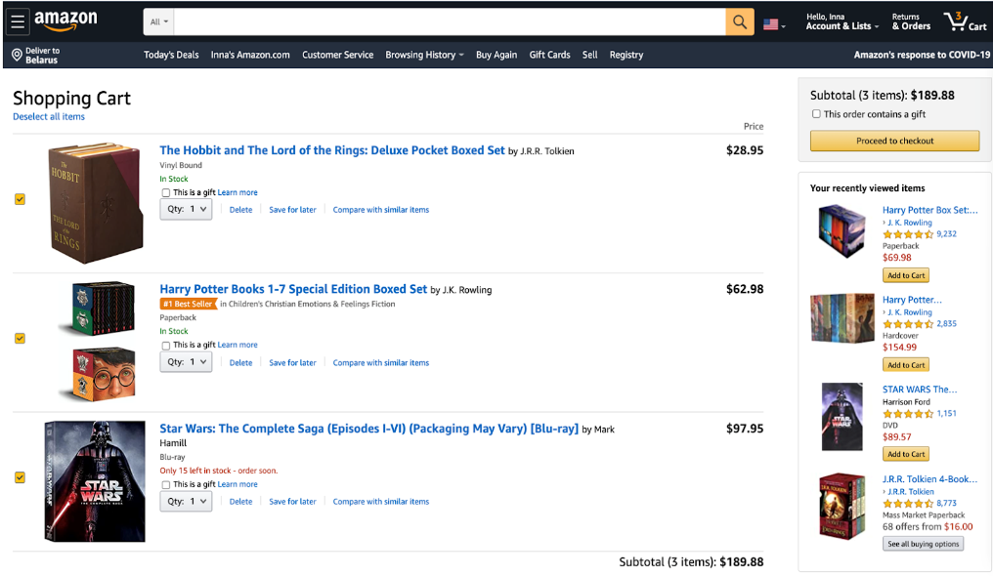
Create test cases for smoke testing for the following screen

